Ban hang Online
Level 1

Các project nhỏ và đơn giản.
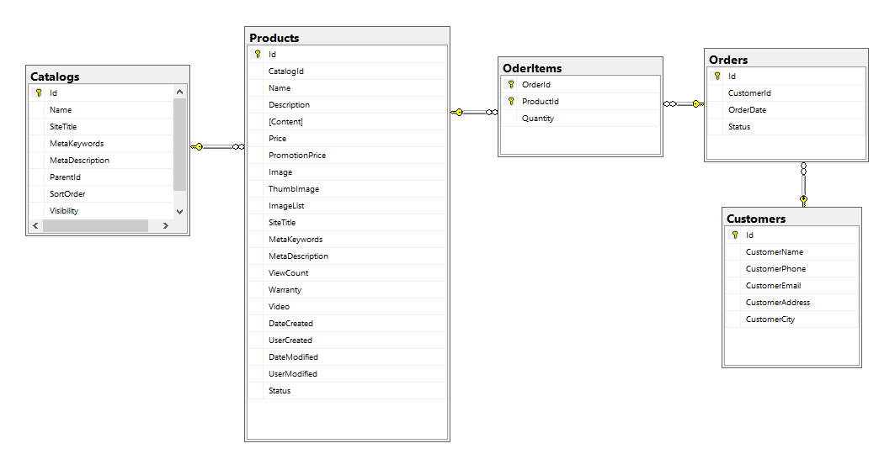

Level 2

Đối với các project lớn như là trang thương mại điện tử thì có các sản phẩm cần có chức năng chọn theo màu sắc, kích cỡ như Site bên dưới. Ngoài ra thì có thể tìm kiếm được theo các trường này.
Để giải quyết nghiệp vụ này thì mình dùng đến mô hình EAV(Entity-Attribute-Value)

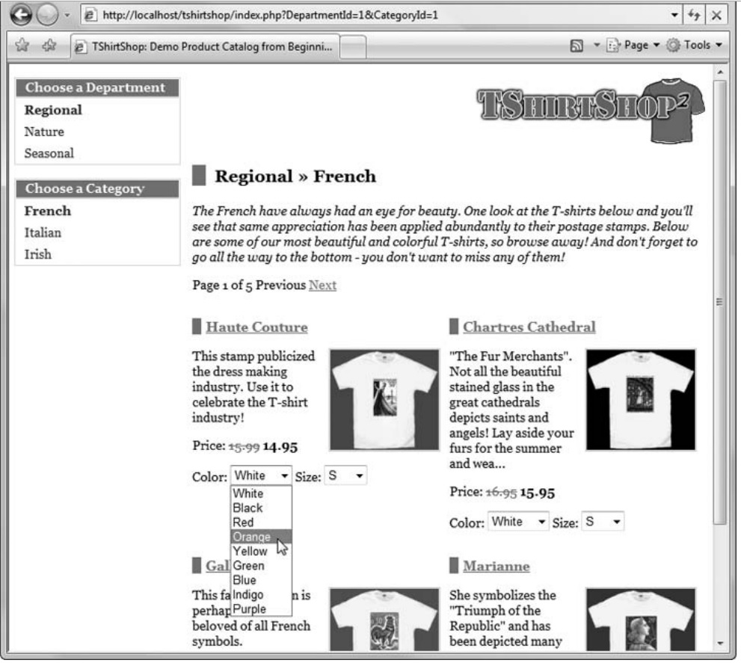

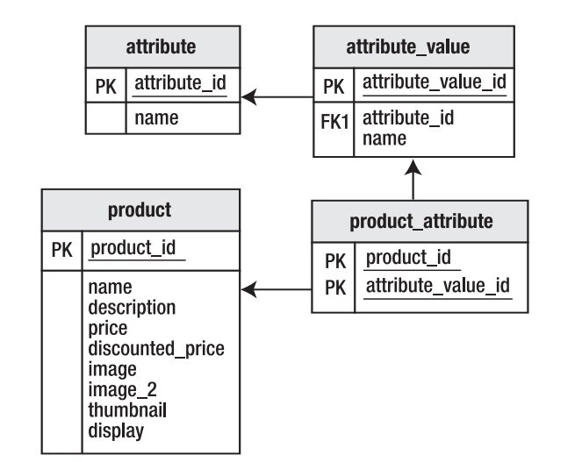

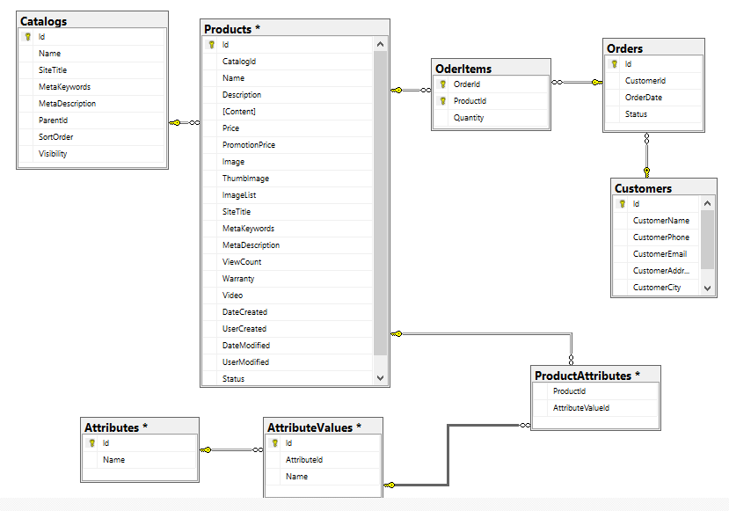

Configurable Product:
 | Mỗi 1 sản phẩm thuộc kiểu Configurable thì nó là tập hợp từ các sản phẩm khác. Là tập hợp của các sản phẩm Simple

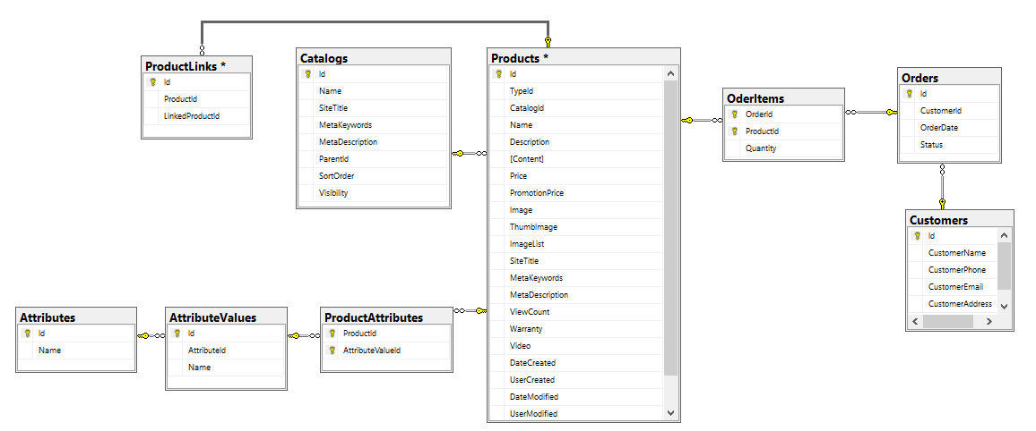

USE [OnlineShopping]
GO
 |  |  | Id,Name
CREATE TABLE [dbo].[Attributes]( |  |  | 1,Kich thuoc
 | [Id] [int] IDENTITY(1,1) NOT NULL, |  | 2,Mau sac
 | [Name] [nvarchar](128) NULL,
CONSTRAINT [PK_Attributes] PRIMARY KEY CLUSTERED
(
 | [Id] ASC
)WITH (PAD_INDEX = OFF, STATISTICS_NORECOMPUTE = OFF, IGNORE_DUP_KEY = OFF, ALLOW_ROW_LOCKS = ON, ALLOW_PAGE_LOCKS = ON) ON [PRIMARY]
) ON [PRIMARY]
GO

USE [OnlineShopping]
GO

CREATE TABLE [dbo].[AttributeValues](
 | [Id] [int] IDENTITY(1,1) NOT NULL, |  | Id,AttributeId,Name
 | [AttributeId] [int] NULL, |  | 1,1,S
 | [Name] [nvarchar](128) NULL, |  | 2,1,M
CONSTRAINT [PK_AttributeValues] PRIMARY KEY CLUSTERED |  |  | 3,1,L
( |  |  | 4,1,XL
 | [Id] ASC |  | 5,1,XXL
)WITH (PAD_INDEX = OFF, STATISTICS_NORECOMPUTE = OFF, IGNORE_DUP_KEY = OFF, ALLOW_ROW_LOCKS = ON, ALLOW_PAGE_LOCKS = ON) ON [PRIMARY] |  |  | 6,2,Do
) ON [PRIMARY] |  |  | 7,2,Xanh
GO |  |  | 8,2,Trang

ALTER TABLE [dbo].[AttributeValues] WITH CHECK ADD CONSTRAINT [FK_AttributeValues_Attributes] FOREIGN KEY([AttributeId])
REFERENCES [dbo].[Attributes] ([Id])
GO

ALTER TABLE [dbo].[AttributeValues] CHECK CONSTRAINT [FK_AttributeValues_Attributes]
GO

USE [OnlineShopping]
GO |  |  | Id,Name,SiteTitle,MetaKeywords,MetaDescription,ParentId,SortOrder,Visibility
 |  |  | 1,ﾁo nam,,,,,,True
CREATE TABLE [dbo].[Catalogs]( |  |  | 2,ﾁo nu,,,,,,True
 | [Id] [int] IDENTITY(1,1) NOT NULL,
 | [Name] [nvarchar](128) NOT NULL,
 | [SiteTitle] [nvarchar](128) NULL,
 | [MetaKeywords] [nvarchar](158) NULL,
 | [MetaDescription] [nvarchar](158) NULL,
 | [ParentId] [int] NULL,
 | [SortOrder] [int] NULL,
 | [Visibility] [bit] NOT NULL,
CONSTRAINT [PK_Catalog] PRIMARY KEY CLUSTERED
(
 | [Id] ASC
)WITH (PAD_INDEX = OFF, STATISTICS_NORECOMPUTE = OFF, IGNORE_DUP_KEY = OFF, ALLOW_ROW_LOCKS = ON, ALLOW_PAGE_LOCKS = ON) ON [PRIMARY]
) ON [PRIMARY]
GO

USE [OnlineShopping]
GO

CREATE TABLE [dbo].[Customers](
 | [Id] [int] IDENTITY(1,1) NOT NULL,
 | [CustomerName] [nvarchar](128) NULL,
 | [CustomerPhone] [nvarchar](128) NULL,
 | [CustomerEmail] [nvarchar](128) NULL,
 | [CustomerAddress] [nvarchar](128) NULL,
 | [CustomerCity] [nvarchar](128) NULL,
CONSTRAINT [PK_Customers] PRIMARY KEY CLUSTERED
(
 | [Id] ASC
)WITH (PAD_INDEX = OFF, STATISTICS_NORECOMPUTE = OFF, IGNORE_DUP_KEY = OFF, ALLOW_ROW_LOCKS = ON, ALLOW_PAGE_LOCKS = ON) ON [PRIMARY]
) ON [PRIMARY]
GO

USE [OnlineShopping]
GO

CREATE TABLE [dbo].[OderItems](
 | [OrderId] [int] NOT NULL,
 | [ProductId] [int] NOT NULL,
 | [Quantity] [nchar](10) NULL,
CONSTRAINT [PK_OderItems] PRIMARY KEY CLUSTERED
(
 | [OrderId] ASC,
 | [ProductId] ASC
)WITH (PAD_INDEX = OFF, STATISTICS_NORECOMPUTE = OFF, IGNORE_DUP_KEY = OFF, ALLOW_ROW_LOCKS = ON, ALLOW_PAGE_LOCKS = ON) ON [PRIMARY]
) ON [PRIMARY]
GO

ALTER TABLE [dbo].[OderItems] WITH CHECK ADD CONSTRAINT [FK_OderItems_Orders] FOREIGN KEY([OrderId])
REFERENCES [dbo].[Orders] ([Id])
GO

ALTER TABLE [dbo].[OderItems] CHECK CONSTRAINT [FK_OderItems_Orders]
GO

ALTER TABLE [dbo].[OderItems] WITH CHECK ADD CONSTRAINT [FK_OderItems_Products] FOREIGN KEY([ProductId])
REFERENCES [dbo].[Products] ([Id])
GO

ALTER TABLE [dbo].[OderItems] CHECK CONSTRAINT [FK_OderItems_Products]
GO

USE [OnlineShopping]
GO

CREATE TABLE [dbo].[Orders](
 | [Id] [int] IDENTITY(1,1) NOT NULL,
 | [CustomerId] [int] NULL,
 | [OrderDate] [datetime] NULL,
 | [Status] [int] NULL,
CONSTRAINT [PK_Orders] PRIMARY KEY CLUSTERED
(
 | [Id] ASC
)WITH (PAD_INDEX = OFF, STATISTICS_NORECOMPUTE = OFF, IGNORE_DUP_KEY = OFF, ALLOW_ROW_LOCKS = ON, ALLOW_PAGE_LOCKS = ON) ON [PRIMARY]
) ON [PRIMARY]
GO

ALTER TABLE [dbo].[Orders] WITH CHECK ADD CONSTRAINT [FK_Orders_Customers] FOREIGN KEY([CustomerId])
REFERENCES [dbo].[Customers] ([Id])
GO

ALTER TABLE [dbo].[Orders] CHECK CONSTRAINT [FK_Orders_Customers]
GO

USE [OnlineShopping] |  |  | ProductId,AttributeValueId
GO |  |  | 1,1
 |  |  | 1,2
CREATE TABLE [dbo].[ProductAttributes]( |  |  | 1,3
 | [ProductId] [int] NOT NULL,
 | [AttributeValueId] [int] NOT NULL,
CONSTRAINT [PK_ProductAttributes] PRIMARY KEY CLUSTERED
(
 | [ProductId] ASC,
 | [AttributeValueId] ASC
)WITH (PAD_INDEX = OFF, STATISTICS_NORECOMPUTE = OFF, IGNORE_DUP_KEY = OFF, ALLOW_ROW_LOCKS = ON, ALLOW_PAGE_LOCKS = ON) ON [PRIMARY]
) ON [PRIMARY]
GO

ALTER TABLE [dbo].[ProductAttributes] WITH CHECK ADD CONSTRAINT [FK_ProductAttributes_AttributeValues] FOREIGN KEY([AttributeValueId])
REFERENCES [dbo].[AttributeValues] ([Id])
GO

ALTER TABLE [dbo].[ProductAttributes] CHECK CONSTRAINT [FK_ProductAttributes_AttributeValues]
GO

ALTER TABLE [dbo].[ProductAttributes] WITH CHECK ADD CONSTRAINT [FK_ProductAttributes_Products] FOREIGN KEY([ProductId])
REFERENCES [dbo].[Products] ([Id])
GO

ALTER TABLE [dbo].[ProductAttributes] CHECK CONSTRAINT [FK_ProductAttributes_Products]
GO

USE [OnlineShopping]
GO

CREATE TABLE [dbo].[ProductLinks]( |  |  | Id,ProductId,LinkedProductId
 | [Id] [int] IDENTITY(1,1) NOT NULL, |  | 1,2,1
 | [ProductId] [int] NULL,
 | [LinkedProductId] [int] NULL,
CONSTRAINT [PK_ProductLinks] PRIMARY KEY CLUSTERED
(
 | [Id] ASC
)WITH (PAD_INDEX = OFF, STATISTICS_NORECOMPUTE = OFF, IGNORE_DUP_KEY = OFF, ALLOW_ROW_LOCKS = ON, ALLOW_PAGE_LOCKS = ON) ON [PRIMARY]
) ON [PRIMARY]
GO

ALTER TABLE [dbo].[ProductLinks] WITH CHECK ADD CONSTRAINT [FK_ProductLinks_Products] FOREIGN KEY([ProductId])
REFERENCES [dbo].[Products] ([Id])
GO

ALTER TABLE [dbo].[ProductLinks] CHECK CONSTRAINT [FK_ProductLinks_Products]
GO

USE [OnlineShopping]
GO |  | Id,TypeId,CatalogId,Name
 |  | 1,simple,1,Áo sơ mi nam
CREATE TABLE [dbo].[Products]( |  | 2,configurable,1,Áo nam
 | [Id] [int] IDENTITY(1,1) NOT NULL,
 | [TypeId] [varchar](50) NULL,
 | [CatalogId] [int] NULL,
 | [Name] [nvarchar](128) NULL,
 | [Description] [nvarchar](128) NULL,
 | [Content] [ntext] NULL,
 | [Price] [decimal](18, 2) NULL,
 | [PromotionPrice] [decimal](18, 2) NULL,
 | [Image] [nvarchar](128) NULL,
 | [ThumbImage] [nvarchar](128) NULL,
 | [ImageList] [nvarchar](max) NULL,
 | [SiteTitle] [nvarchar](128) NULL,
 | [MetaKeywords] [nvarchar](158) NULL,
 | [MetaDescription] [nvarchar](158) NULL,
 | [ViewCount] [int] NULL,
 | [Warranty] [int] NULL,
 | [Video] [nvarchar](128) NULL,
 | [DateCreated] [datetime] NULL,
 | [UserCreated] [int] NULL,
 | [DateModified] [datetime] NULL,
 | [UserModified] [int] NULL,
 | [Status] [bit] NULL,
CONSTRAINT [PK_Product] PRIMARY KEY CLUSTERED
(
 | [Id] ASC
)WITH (PAD_INDEX = OFF, STATISTICS_NORECOMPUTE = OFF, IGNORE_DUP_KEY = OFF, ALLOW_ROW_LOCKS = ON, ALLOW_PAGE_LOCKS = ON) ON [PRIMARY]
) ON [PRIMARY] TEXTIMAGE_ON [PRIMARY]
GO

ALTER TABLE [dbo].[Products] WITH CHECK ADD CONSTRAINT [FK_Product_Catalog] FOREIGN KEY([CatalogId])
REFERENCES [dbo].[Catalogs] ([Id])
GO

ALTER TABLE [dbo].[Products] CHECK CONSTRAINT [FK_Product_Catalog]
GO

Da ngon ngu cho Web du lich
Tiếp cận theo cột:
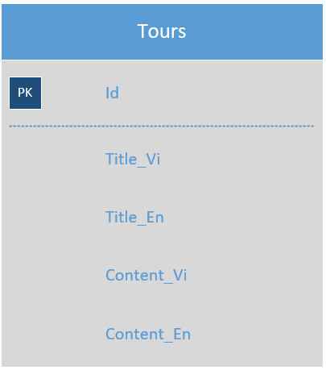

Tiếp cận theo dòng:

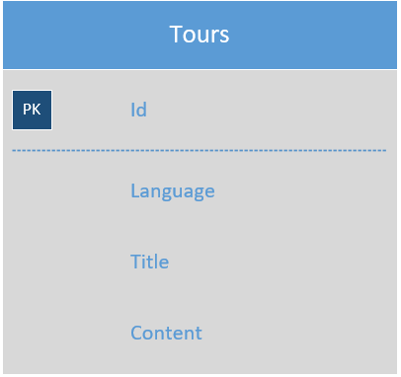

Tiếp cận theo 1 bảng dịch:
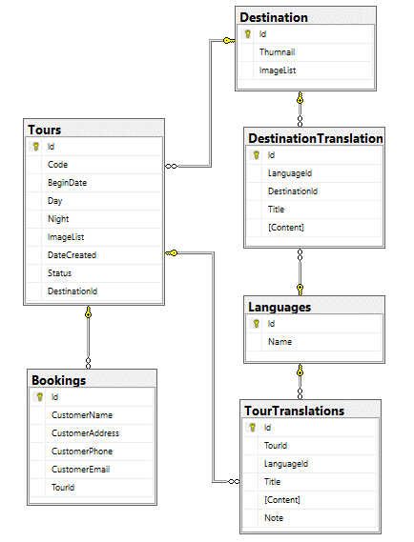

 | USE [Tourism]
 | GO

 | CREATE TABLE [dbo].[Bookings](
 |  | [Id] [int] NOT NULL,
 |  | [CustomerName] [nvarchar](250) NULL,
 |  | [CustomerAddress] [nvarchar](250) NULL,
 |  | [CustomerPhone] [varchar](50) NULL,
 |  | [CustomerEmail] [nvarchar](128) NULL,
 |  | [TourId] [int] NULL,
 | CONSTRAINT [PK_Bookings] PRIMARY KEY CLUSTERED
 | (
 |  | [Id] ASC
 | )WITH (PAD_INDEX = OFF, STATISTICS_NORECOMPUTE = OFF, IGNORE_DUP_KEY = OFF, ALLOW_ROW_LOCKS = ON, ALLOW_PAGE_LOCKS = ON) ON [PRIMARY]
 | ) ON [PRIMARY]
 | GO

 | ALTER TABLE [dbo].[Bookings] WITH CHECK ADD CONSTRAINT [FK_Bookings_Tours] FOREIGN KEY([TourId])
 | REFERENCES [dbo].[Tours] ([Id])
 | GO

 | ALTER TABLE [dbo].[Bookings] CHECK CONSTRAINT [FK_Bookings_Tours]
 | GO

 | USE [Tourism]
 | GO

 | CREATE TABLE [dbo].[Destination](
 |  | [Id] [int] NOT NULL,
 |  | [Thumnail] [nvarchar](250) NULL,
 |  | [ImageList] [nvarchar](max) NULL,
 | CONSTRAINT [PK_Destination] PRIMARY KEY CLUSTERED
 | (
 |  | [Id] ASC
 | )WITH (PAD_INDEX = OFF, STATISTICS_NORECOMPUTE = OFF, IGNORE_DUP_KEY = OFF, ALLOW_ROW_LOCKS = ON, ALLOW_PAGE_LOCKS = ON) ON [PRIMARY]
 | ) ON [PRIMARY] TEXTIMAGE_ON [PRIMARY]
 | GO

 | USE [Tourism]
 | GO

 | CREATE TABLE [dbo].[DestinationTranslations](
 |  | [Id] [int] NOT NULL,
 |  | [LanguageId] [varchar](10) NULL,
 |  | [DestinationId] [int] NULL,
 |  | [Title] [nvarchar](250) NULL,
 |  | [Content] [nvarchar](max) NULL,
 | CONSTRAINT [PK_DestinationTranslations] PRIMARY KEY CLUSTERED
 | (
 |  | [Id] ASC
 | )WITH (PAD_INDEX = OFF, STATISTICS_NORECOMPUTE = OFF, IGNORE_DUP_KEY = OFF, ALLOW_ROW_LOCKS = ON, ALLOW_PAGE_LOCKS = ON) ON [PRIMARY]
 | ) ON [PRIMARY] TEXTIMAGE_ON [PRIMARY]
 | GO

 | ALTER TABLE [dbo].[DestinationTranslations] WITH CHECK ADD CONSTRAINT [FK_DestinationTranslations_Destination] FOREIGN KEY([DestinationId])
 | REFERENCES [dbo].[Destination] ([Id])
 | GO

 | ALTER TABLE [dbo].[DestinationTranslations] CHECK CONSTRAINT [FK_DestinationTranslations_Destination]
 | GO

 | ALTER TABLE [dbo].[DestinationTranslations] WITH CHECK ADD CONSTRAINT [FK_DestinationTranslations_Languages] FOREIGN KEY([LanguageId])
 | REFERENCES [dbo].[Languages] ([Id])
 | GO

 | ALTER TABLE [dbo].[DestinationTranslations] CHECK CONSTRAINT [FK_DestinationTranslations_Languages]
 | GO

 | USE [Tourism]
 | GO

 | CREATE TABLE [dbo].[Languages](
 |  | [Id] [varchar](10) NOT NULL,
 |  | [Name] [nvarchar](50) NULL,
 | CONSTRAINT [PK_Languages] PRIMARY KEY CLUSTERED
 | (
 |  | [Id] ASC
 | )WITH (PAD_INDEX = OFF, STATISTICS_NORECOMPUTE = OFF, IGNORE_DUP_KEY = OFF, ALLOW_ROW_LOCKS = ON, ALLOW_PAGE_LOCKS = ON) ON [PRIMARY]
 | ) ON [PRIMARY]
 | GO

 | USE [Tourism]
 | GO

 | CREATE TABLE [dbo].[Tours](
 |  | [Id] [int] NOT NULL,
 |  | [Code] [varchar](50) NULL,
 |  | [BeginDate] [date] NULL,
 |  | [Day] [int] NULL,
 |  | [Night] [int] NULL,
 |  | [ImageList] [nvarchar](max) NULL,
 |  | [DateCreated] [datetime] NULL,
 |  | [Status] [bit] NULL,
 |  | [DestinationId] [int] NULL,
 | CONSTRAINT [PK_Tours] PRIMARY KEY CLUSTERED
 | (
 |  | [Id] ASC
 | )WITH (PAD_INDEX = OFF, STATISTICS_NORECOMPUTE = OFF, IGNORE_DUP_KEY = OFF, ALLOW_ROW_LOCKS = ON, ALLOW_PAGE_LOCKS = ON) ON [PRIMARY]
 | ) ON [PRIMARY] TEXTIMAGE_ON [PRIMARY]
 | GO

 | ALTER TABLE [dbo].[Tours] WITH CHECK ADD CONSTRAINT [FK_Tours_Destination] FOREIGN KEY([DestinationId])
 | REFERENCES [dbo].[Destination] ([Id])
 | GO

 | ALTER TABLE [dbo].[Tours] CHECK CONSTRAINT [FK_Tours_Destination]
 | GO

 | USE [Tourism]
 | GO

 | CREATE TABLE [dbo].[TourTranslations](
 |  | [Id] [int] NOT NULL,
 |  | [TourId] [int] NULL,
 |  | [LanguageId] [varchar](10) NULL,
 |  | [Title] [nvarchar](250) NULL,
 |  | [Content] [nvarchar](max) NULL,
 |  | [Note] [nvarchar](max) NULL,
 | CONSTRAINT [PK_TourTranslations] PRIMARY KEY CLUSTERED
 | (
 |  | [Id] ASC
 | )WITH (PAD_INDEX = OFF, STATISTICS_NORECOMPUTE = OFF, IGNORE_DUP_KEY = OFF, ALLOW_ROW_LOCKS = ON, ALLOW_PAGE_LOCKS = ON) ON [PRIMARY]
 | ) ON [PRIMARY] TEXTIMAGE_ON [PRIMARY]
 | GO

 | ALTER TABLE [dbo].[TourTranslations] WITH CHECK ADD CONSTRAINT [FK_TourTranslations_Languages] FOREIGN KEY([LanguageId])
 | REFERENCES [dbo].[Languages] ([Id])
 | GO

 | ALTER TABLE [dbo].[TourTranslations] CHECK CONSTRAINT [FK_TourTranslations_Languages]
 | GO

 | ALTER TABLE [dbo].[TourTranslations] WITH CHECK ADD CONSTRAINT [FK_TourTranslations_Tours] FOREIGN KEY([TourId])
 | REFERENCES [dbo].[Tours] ([Id])
 | GO

 | ALTER TABLE [dbo].[TourTranslations] CHECK CONSTRAINT [FK_TourTranslations_Tours]
 | GO

Web rao vat bat dong san
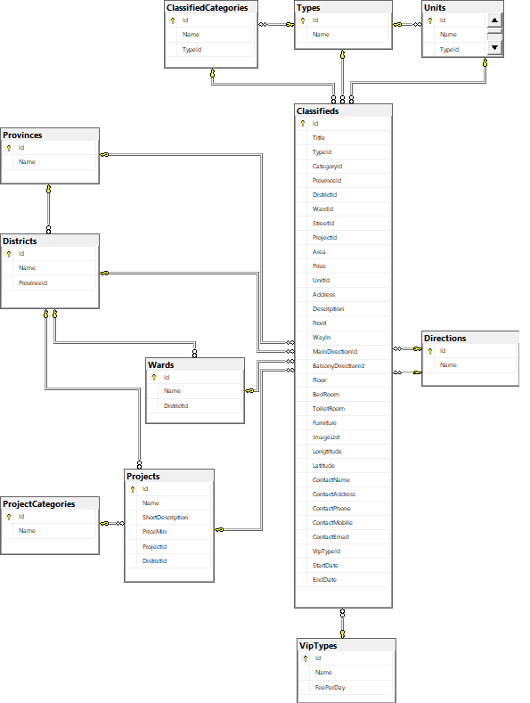
Project:
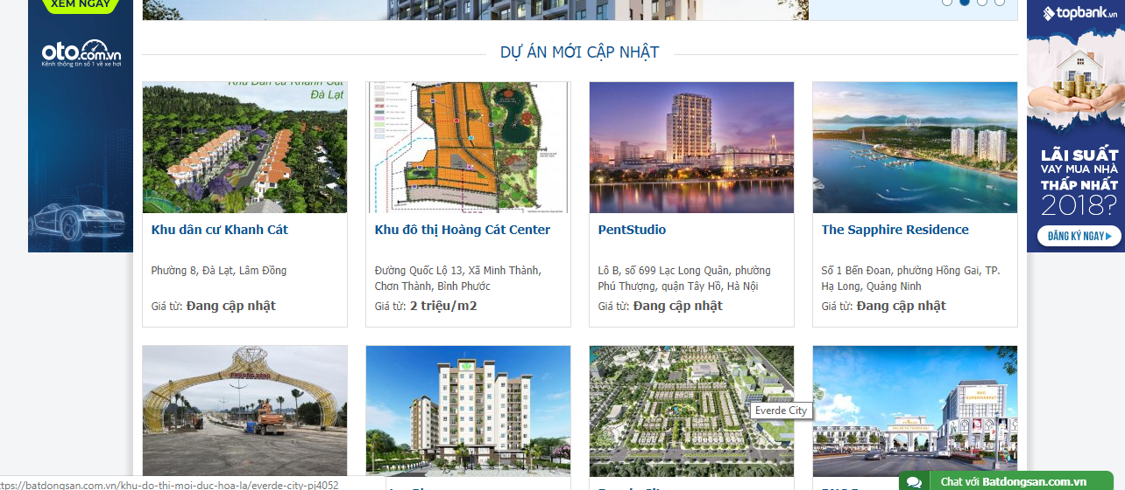

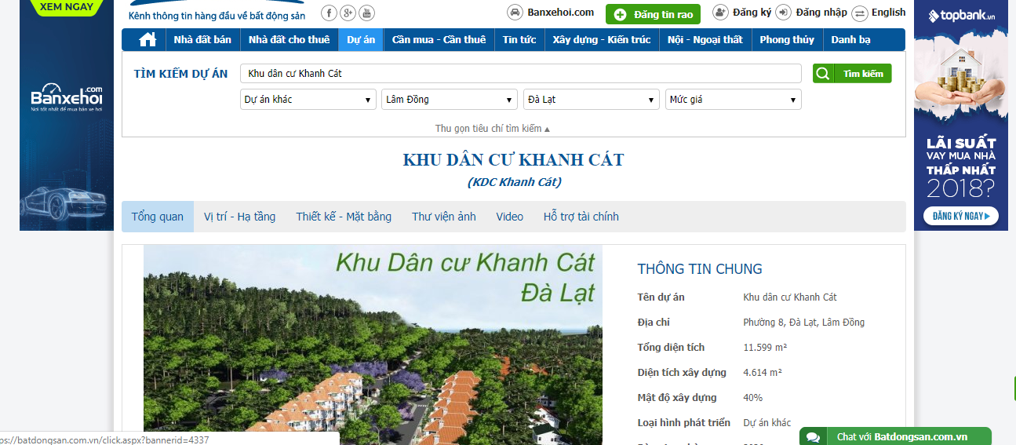

ERD:

